Test Cases - Funtional
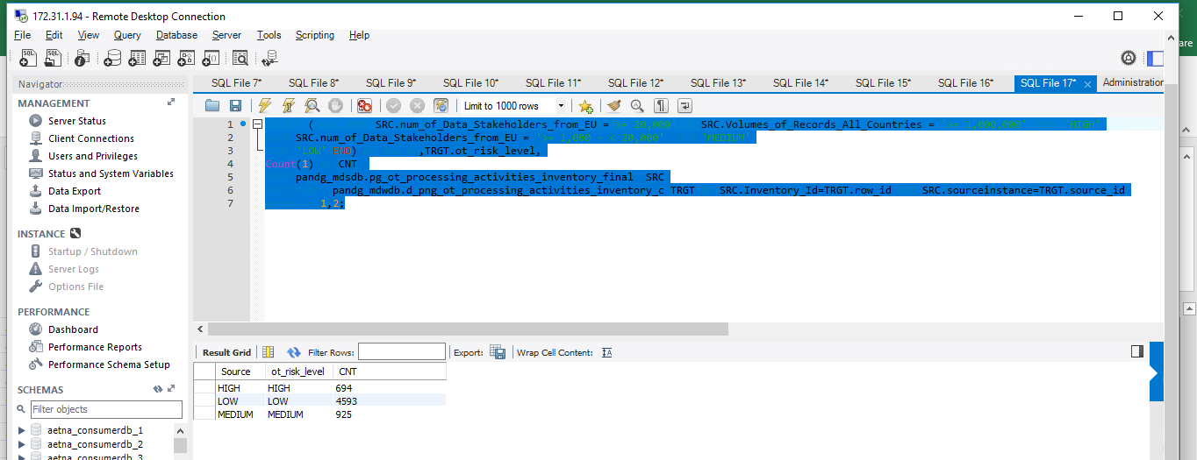
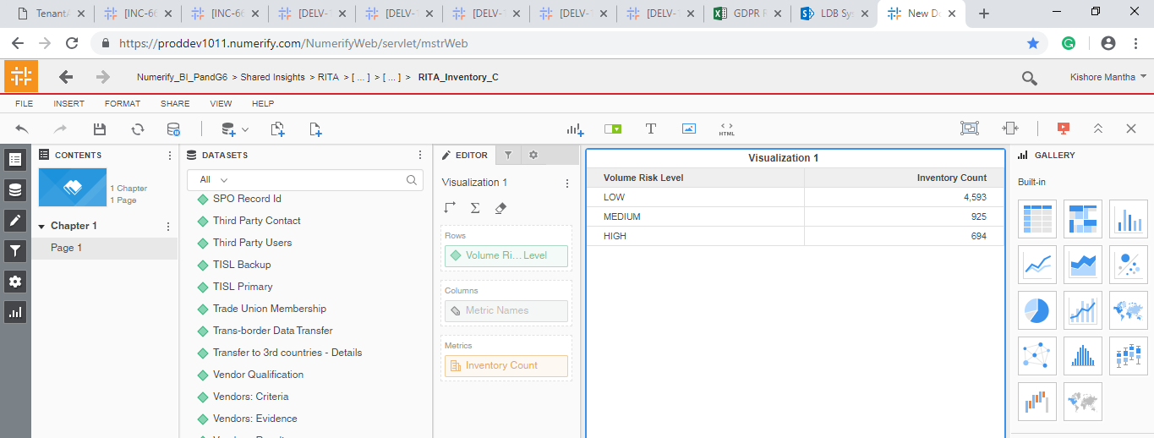
INDEX

TC_No | Test Case | Test Description | Expected Result | Actual Result | Result | Defect JIRA # | Comments
1 | DELV-15145

SELECT CASE WHEN CNT > 0 THEN 'FAILURE' ELSE 'SUCCESS' END as Result, CASE WHEN CNT > 0 THEN 'MDS to DWH data validation failed for d_png_ot_processing_activities_inventory_c.ot_risk_level' ELSE 'SUCCESS' END as Message FROM ( SELECT Count(1) as CNT FROM pandg_mdsdb.pg_ot_processing_activities_inventory_final SRC LEFT JOIN pandg_mdwdb.d_png_ot_processing_activities_inventory_c TRGT ON SRC.Inventory_Id=TRGT.row_id AND SRC.sourceinstance=TRGT.source_id WHERE (CASE WHEN SRC.num_of_Data_Stakeholders_from_EU ='>= 20,000' OR SRC.Volumes_of_Records_All_Countries = '>= 1,000,000' THEN 'HIGH' WHEN SRC.num_of_Data_Stakeholders_from_EU = '>= 1,000 - < 20,000' THEN 'MEDIUM' ELSE 'LOW' END)<>TRGT.ot_risk_level ) temp; |  |  |  | SELECT CASE WHEN CNT > 0 THEN 'FAILURE' ELSE 'SUCCESS' END as Result, CASE WHEN CNT > 0 THEN 'MDS to DWH data validation failed for d_png_ot_processing_activities_inventory_c.ot_risk_level' ELSE 'SUCCESS' END as Message FROM ( SELECT Count(1) as CNT FROM pandg_mdsdb.pg_ot_processing_activities_inventory_final SRC LEFT JOIN pandg_mdwdb.d_png_ot_processing_activities_inventory_c TRGT ON SRC.Inventory_Id=TRGT.row_id AND SRC.sourceinstance=TRGT.source_id WHERE (CASE WHEN SRC.num_of_Data_Stakeholders_from_EU ='>= 20,000' OR SRC.Volumes_of_Records_All_Countries = '>= 1,000,000' THEN 'HIGH' WHEN SRC.num_of_Data_Stakeholders_from_EU = '>= 1,000 - < 20,000' THEN 'MEDIUM' ELSE 'LOW' END)=TRGT.ot_risk_level ) temp;

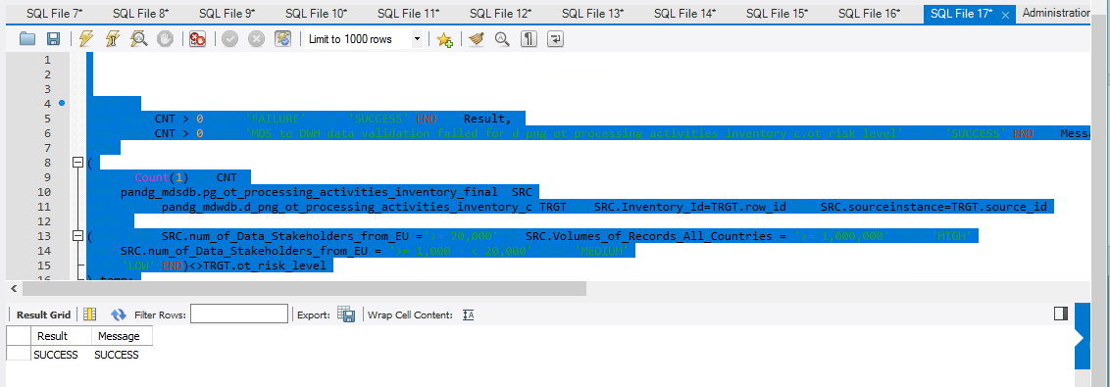
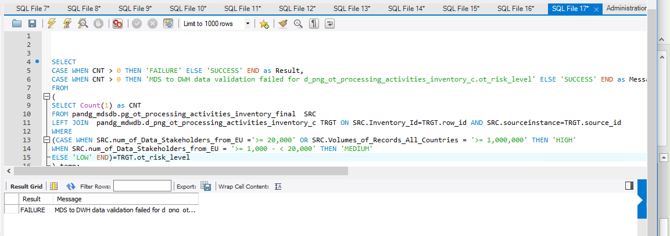

SELECT (CASE WHEN SRC.num_of_Data_Stakeholders_from_EU ='>= 20,000' OR SRC.Volumes_of_Records_All_Countries = '>= 1,000,000' THEN 'HIGH' WHEN SRC.num_of_Data_Stakeholders_from_EU = '>= 1,000 - < 20,000' THEN 'MEDIUM' ELSE 'LOW' END) AS Source,TRGT.ot_risk_level, Count(1) as CNT FROM pandg_mdsdb.pg_ot_processing_activities_inventory_final SRC LEFT JOIN pandg_mdwdb.d_png_ot_processing_activities_inventory_c TRGT ON SRC.Inventory_Id=TRGT.row_id AND SRC.sourceinstance=TRGT.source_id group by 1,2;

